Questions 1-5
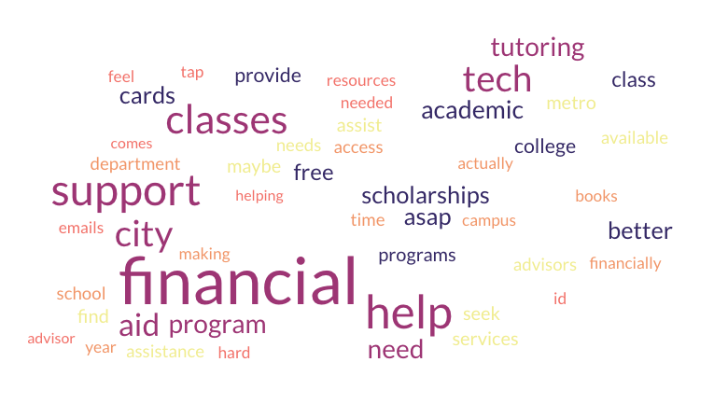
2024 Middle States Commission on Higher Education (MSCHE) Student Survey

Q1. Are you familiar with City Tech's Mission Statement? | Responses (N) | Responses (%)
Yes | 301 | 46.96%
No, this is the first time I am reading this information | 288 | 44.93%
Not sure | 52 | 8.11%
Grand Total | 641 | 100.00%

Q2. Do you feel that City Tech effectively communicates its mission statement to students? | Responses (N) | Responses (%)
Yes | 386 | 61.76%
No | 81 | 12.96%
Not sure | 158 | 25.28%
Grand Total | 625 | 100.00%

Q3. Do you think your degree program reflects City Tech’s mission statement? | Responses (N) | Responses (%)
Yes | 442 | 70.27%
No | 32 | 5.09%
Not sure | 155 | 24.64%
Grand Total | 629 | 100.00%

Q4. Which of the following services at City Tech have you accessed? (Select all that apply) | Responses (N) | Responses (%)

Center for Student Accessibility | 107 | 13.84%
One-on-One Coaching | 47 | 6.08%
Emergency Resource Support | 19 | 2.46%
Petrie Student Emergency Grant Applications | 11 | 1.42%
Student Skills Coaching | 45 | 5.82%
JumpStart Success | 14 | 1.81%
Coaching Workshops | 53 | 6.86%
Academic Reboot | 19 | 2.46%
Satisfactory Academic Progress (SAP) Appeal Assistance | 61 | 7.89%
Study Group Facilitation | 32 | 4.14%
None of the above | 365 | 47.22%
Grand Total | 773 | 100.00%

Q4a. For each service you have accessed, please rate your level of satisfaction

 | Very satisfied | Satisfied | Neither satisfied nor dissatisfied | Dissatisfied | Very dissatisfied | Grand Total
Center for Student Accessibility | 66 (36.26%) | 57 (31.32%) | 53 (29.12%) | 3 (1.65%) | 3 (1.65%) | 182
One-on-one coaching | 53 (33.33%) | 40 (25.16%) | 58 (36.48%) | 5 (3.14%) | 3 (1.89%) | 159
Emergency Resource Support | 41 (27.70%) | 38 (25.68%) | 62 (41.89%) | 5 (3.38%) | 2 (1.35%) | 148
Petrie Student Emergency Grant Applications | 34 (23.45%) | 34 (23.45%) | 70 (48.28%) | 4 (2.76%) | 3 (2.07%) | 145
Student Skills Coaching | 43 (28.86%) | 33 (22.15%) | 66 (44.30%) | 4 (2.68%) | 3 (2.01%) | 149
JumpStart Success | 33 (23.24%) | 33 (23.24%) | 72 (50.70%) | 2 (1.41%) | 2 (1.41%) | 142
Coaching Workshops | 52 (32.70%) | 35 (22.01%) | 66 (41.51%) | 3 (1.89%) | 3 (1.89%) | 159
Academic Reboot | 36 (25.90% | 32 (23.02%) | 66 (47.48%) | 3 (2.16%) | 2 (1.44%) | 139
Satisfactory Academic Progess (SAP) Appeal Assistance | 43 (27.56%) | 43 (27.56%) | 57 (36.54%) | 6 (3.85%) | 7 (4.49%) | 156
Study Group Facilitation | 43 (30.07%) | 36 (25.17%) | 58 (40.56%) | 3 (2.10%) | 3 (2.10%) | 143

Q4b: What improvements, if any, do you suggest for the services you have accessed at City Tech? (Please specify the service and your suggestions)
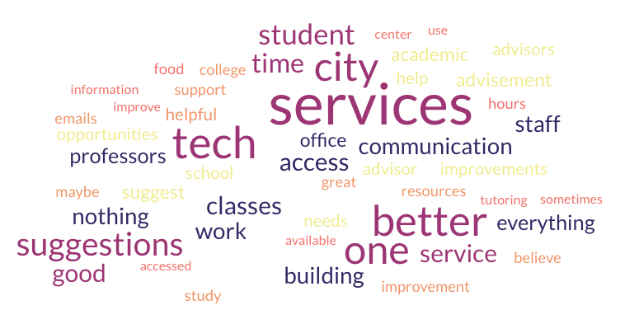

Q5. In addition to the services listed above, what additional academic or financial support do you think City Tech could offer to further assist students in need?

Questions 9-10
2024 Middle States Commission on Higher Education (MSCHE) Student Survey

Q9. How do you typically receive information about student applicable complaint policies and procedures at City Tech? (Select all that apply) | Responses (N) | Responses (%)
Student complaint webpage: Student Complaints - Current Students - City Tech (cuny.edu) | 178 | 23.33%
Other students | 162 | 21.23%
Faculty or staff | 188 | 24.64%
Other | 235 | 30.80%
Grand Total | 763 | 100.00%

Q9a: Other (please specify)
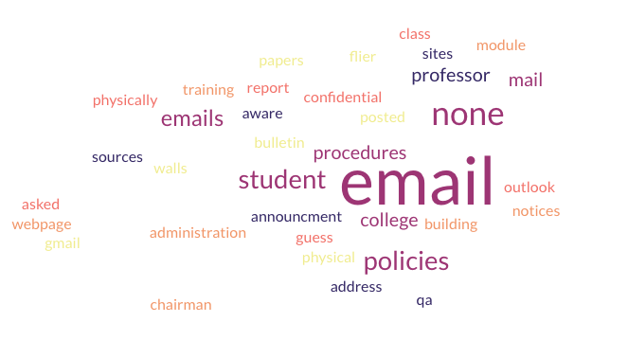

Q10. Have you struggled to understand and follow your degree requirements? | Responses (N) | Responses (%)
Yes | 142 | 28.92%
No | 349 | 71.08%
Grand Total | 491 | 100.00%

Q10a. Other (please specify)

"I understand it a little bit but not 100% sure"
"No, however I do wish a student can know the specific requirements for their bachelors."
"Its kind of challenging as a transfer student. My program has changed some classes and/or major names."
"It is not clear what is necessary sometimes"
"I was on the right track but my advisor messed up"
"Sometimes because I wish our advisors were able to help us with it"
"I have trouble to get my adviser."
"In terms of scheduling for upcoming semesters, it’s difficult to assess what classes one should take. DegreeWorks helps but it’s not as accurate to utilized when registering."
"Confusion of classes to pick to get atleast close enough to some kind of game design"
"I am not struggling to understand my degree requirements so far, but I do wish to be assisted tracking my degree requirements in terms of classes that are necessary. For example I made a schedule myself from schedule builder based on degree works but I want to be 100% I chose the right classes and I tried to reach out to people for that reassurance but I have not gotten the assistance."
"I had to figure it out on my own. Everyone seems to busy."
"How to meet with the advisor?"
"Just because of my own doing and struggles."

Questions 11-12
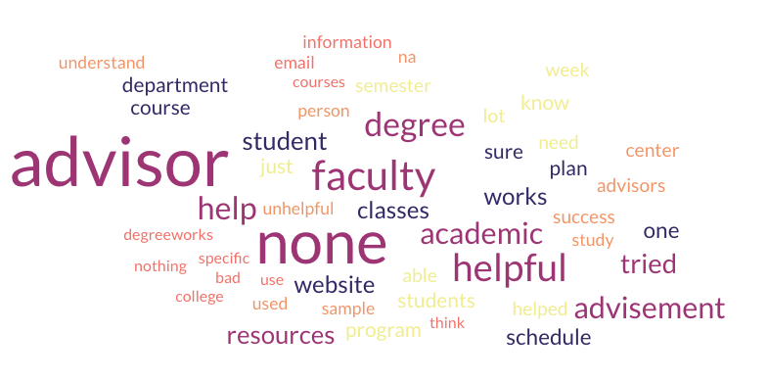
2024 Middle States Commission on Higher Education (MSCHE) Student Survey

Q11. What resources helped you in gaining understanding or clarity in following your degree requirements? (Select all that apply) | Responses (N) | Responses (%)
College catalogue | 101 | 7.46%
Academic Advisement website | 155 | 11.46%
Sample course of study | 137 | 10.13%
DegreeWorks, Department website | 324 | 23.95%
Faculty advisor | 195 | 14.41%
Student Success Center | 83 | 6.13%
Special program advisor (SEEK, ASAP, etc.) | 88 | 6.50%
Plan Week | 49 | 3.62%
Peer mentor | 46 | 3.40%
Fellow students | 140 | 10.35%
Other | 35 | 2.59%
Grand Total | 1353 | 100.00%

Q11a. Other (please specify)
"Counsler"
"VA Office"
"Personal research"
"Success Coach"
"Degree Audit"
"Department Meeings"
"Department Website"
"Online"
"Professors"

Q12. Which of the resources listed above (Q11) did you try that did NOT lead to understanding or clarity, and why do you think these resources were unhelpful?

